rubric
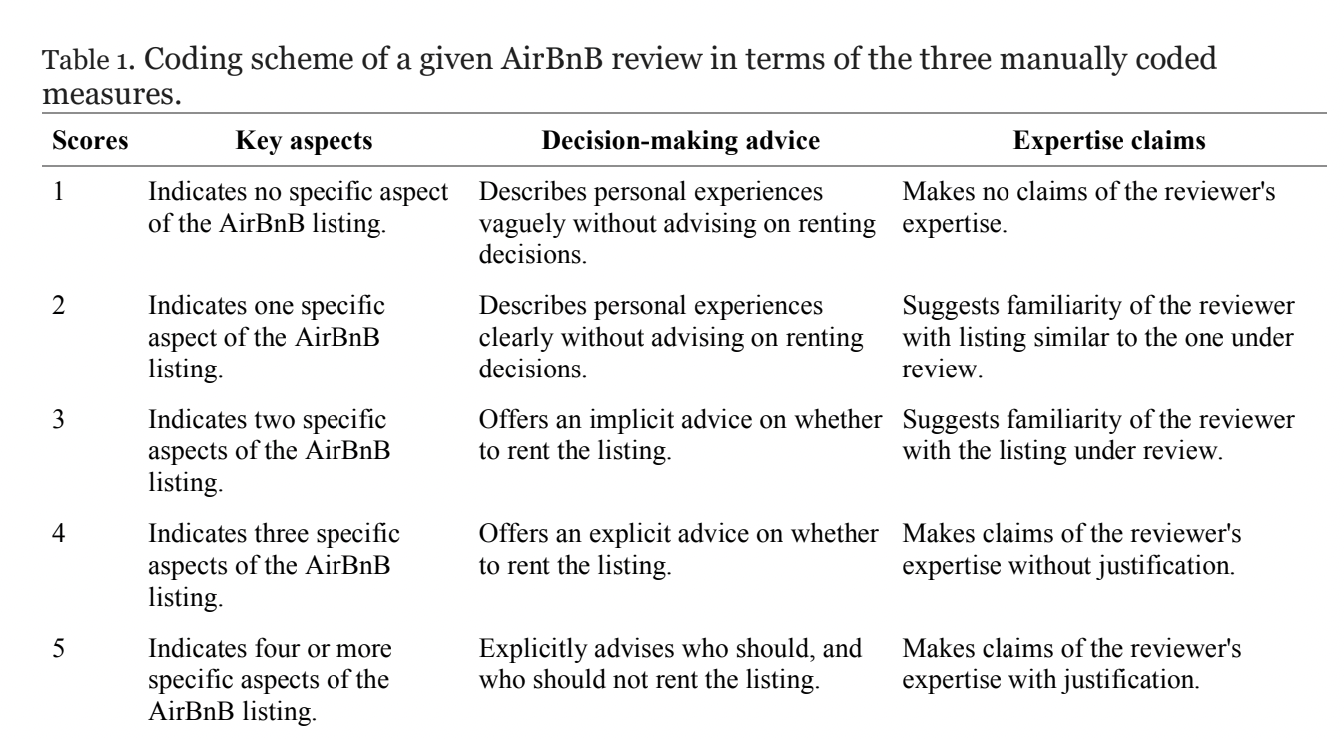
Bucket C = 3-6, inclusive
Bucket B = 7-10, inclusive
Bucket A = 11-15, inclusive

